Sheet1
DATE | INV.NO | DESCRIPTION | QTY | BILLS | PRICE | SUBTOTAL | TOTAL
4-Dec-2025 | 115510 | ELDER FLOWER (N) | 1 | 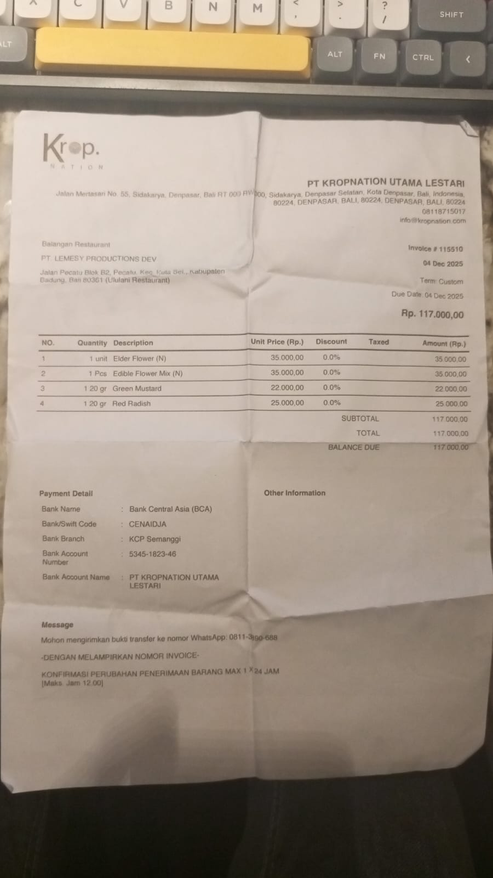 | Rp35,000 | Rp35,000 | Rp117,000
 |  | EDIBLE FLOWER MIX (N) | 1 |  | Rp35,000 | Rp35,000
 |  | GREEN MUSTARD | 1 |  | Rp22,000 | Rp22,000
 |  | RED RADISH | 1 |  | Rp25,000 | Rp25,000
26-Dec-2025 | 118014 | EDIBLE FLOWER MIX (N) | 3 |  | Rp35,000 | Rp105,000 | Rp212,000
 |  | STARFLOWER (20 GR) | 1 |  | Rp35,000 | Rp35,000
 |  | GREEN MUSTARD | 1 |  | Rp22,000 | Rp22,000
 |  | RED RADISH | 2 |  | Rp25,000 | Rp50,000
TOTAL |  |  |  |  |  |  | Rp329,000

